Index and Search
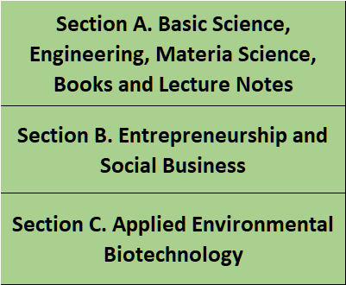
 |  | SECTION | C

1 | 2 | 3 | 4
columna | JOURNAL | SECTION | ARTICLES
1 | 1 | C | Valorización y recuperación de residuos
3 | 2 | C | Bioenergía
4 | 2 | C | Las barreras tecnológicas que enfrentan las energías renovables no convencionales (ERNC)
5 | 2 | C | El concepto de Eficiencia Energética en la Industria Agricola
6 | 2 | C | Qué potencial tiene la segunda región en terminos de Energías limpias
7 | 2 | C | Uso de energías renovables como fuentes de energía
8 | 2 | C | Liofilización, Parte I
9 | 2 | C | Bioceramicos y Bioinspiración. AULACOMYA ATER (CHOLGA CHILENA)
10 | 2 | C | Centros de excelencia, Investigación de Frontera-Recurso Energético e Hídrico | JOURNAL INGLOMAYOR INDEX ISSN 0719-7578
11 | 4 | C | La industria frutícola y sus desafíos técnicos
12 | 5 | C | Estudio de humedad e impregnación en medios granulares
13 | 6 | C | Smog y su Efecto en la Salud, en la pagina sale Smog en santiago y sus efectos en la salud | Journal 1
14 | 6 | C | El Azaroso Ascenso del Agua en las Plantas
15 | 6 | C | Reflexiones en torno al Desarrollo de Organismos Genéticamente Modificados en Beneficio del Hombre
16 | 7 | C | Totipotencia Celular | Journal 2
17 | 7 | C | Fitorremediación e importancia de una especie vegetal (Phragmites australis)
18 | 8 | C | Pozas Solares y Energía
19 | 9 | C | Algunas consideraciones respecto al uso de especies vegetales como posibles proveedores biocombustibles | Journal 3
20 | 10 | C | Biological sequestration and retention of cadmium as CdS nanoparticles by the microalga Scenedesmus-24.
21 | 10 | C | Microalga Scenedesmus sp.: A Potential Low-Cost Green Machine for Silver Nanoparticle Synthesis
22 | 10 | C | Controlled Synthesis of Gold Nanoparticles Using Aspergillus terreus IF0 and Its Antibacterial Potential against Gram Negative Pathogenic Bacteria | Journal 4
23 | 10 | C | Biogenic synthesis of floral-shaped gold nanoparticles using a novel strain, Talaromyces flavus
24 | 10 | C | Biosynthesis And Characterization Of Silver Nanoparticles Using Microalga Chlorococcum Humicola And Its Antibacterial Activity.
25 | 10 | C | In Situ Synthesis of Entrapped Silver Nanoparticles by a Fungus— Penicillium purpurogenum. | Journal 5
26 | 10 | C | Green synthesis of silver nanoparticle by Penicillium purpurogenum NPMF: The process and optimization.
27 | 10 | C | Calcium Phosphate Nanoparticles Mediated Gene Therapy for Breast Cancer
28 | 10 | C | Potential of microorganisms for Metal nanoparticle bio-synthesis. | Journal 6
29 | 10 | C | Biological route for production of extracellular Gold Nanoparticles using Aspergillus species.
30 | 10 | C | Biosynthesis of Silver Nano Particle Using Microorganisms
31 | 10 | C | Enhanced recovery of nickel from chromite overburden (COB) using Dissimilatory Fe (III) reducers: A novel Bio-Reduction Acid Leaching (BRAL) approach | Journal 7
32 | 10 | C | DEVELOPMENT OF BIO-PROCESS FOR NICKEL METAL RECOVERY FROM NICKELIFEROUS CHROMITE OVERBURDEN
33 | 10 | C | Diversity of Dissimilatory Iron Reducing Bacteria and their utilization for enhanced nickel extraction from Chromite Overburden.
34 | 10 | C | Effect of dissimilatory Fe (III) reducers on bio-reduction and nickel-cobalt recovery from Sukinda chromite-overburden | Journal 8
35 | 10 | C | Recovery of nickel from chromite overburden, Sukinda using Aspergillus Niger supplemented with manganese.
36 | 10 | C | Microbial Recovery of Nickel from Lateritic (Oxidic) Nickel Ore.
37 | 10 | C | Biological Extraction of Nickel, A Value Added Metal from Chromite Overburden | Journal 9
38 | 10 | C | Microbial Extraction of Nickel from Chromite Overburdens in Presence of Surfactant.
39 | 10 | C | Extraction of nickel by microbial reduction of lateritic chromite overburden of Sukinda, India.
40 | 10 | C | Study on reaction mechanism of bioleaching of nickel and cobalt from lateriticchromite overburdens. | Journal 10
41 | 10 | C | Microbial Recovery of Nickel and Cobalt from Pre-treated Chromite.
42 | 10 | C | Study on reaction mechanism of bioleaching of Nickel and Cobalt from lateritic chromite overburdens.
43 | 10 | C | Leaching of nickel laterite using fungus mediated organic acid and synthetic organic acid: A comparative study. | Journal 11
44 | 10 | C | MICROBIAL REDUCTION OF LATERITIC NICKEL ORE FOR ENHANCED RECOVERY OF NICKEL AND COBALT THROUGH BIOHYDROMETALLURGICAL ROUTE.
45 | 10 | C | Recovery of nickel from lateritic nickel ore using Aspergillus niger and optimization of parameters.
46 | 10 | C | Nickel recovery from chromite overburden of Sukinda using fungal strains. | Journal 12
47 | 10 | C | Biological leaching of nickel and cobalt from lateritic nickel ore of Sukinda mines
48 | 10 | C | Effect of thermal pretreatment on recovery of nickel and cobalt from Sukinda lateritic nickel ore using microorganisms.
49 | 10 | C | Microbial extraction of nickel from Sukinda chromite overburden by Acidithiobacillus ferrooxidans and Aspergillus strains. | Journal 13
50 | 10 | C | Bioleaching of lateritic nickel ore by ultrasound.
51 | 10 | C | Use of ultrasound in microbial leaching of nickel from laterites.
52 | 10 | C | Bioleaching of copper converter slag using Aspergillus niger isolated from Lateritic Nickel Ore. | Journal 14
53 | 10 | C | Bioleaching of lateritic nickel ore using Penicillium species.
54 | 10 | C | Effect of ultrasonic irradiation on bioleaching of Sukinda nickel ore.
55 | 10 | C | A process for the recovery of copper, nickel cobalt from converter slag through bacterial method. | Journal 15
56 | 10 | C | Bioleaching of lateric nickel ore using a heterotrophic micro-organism
57 | 10 | C | Microbial leaching of lateritic nickel ore.
58 | 10 | C | Kinetics of nickel dissolution from roasted laterites | Journal 16
59 | 10 | C | Recovery of Cobalt, Nickel and Copper from Converter Slag through Roasting with Ammonium Sulphate and Sulphuric Acid.
60 | 10 | C | Sequential bioreduction - bioleaching and bioreduction - chemical leaching hybrid tests for enhanced copper recovery from a concentrator ball mill reject sample.
61 | 10 | C | Reductive dissolution by waste newspaper for enhanced meso-acidophilic bioleaching of copper from low grade chalcopyrite: A new concept of biohydrometallurgy. | Journal 17
62 | 10 | C | Bioleaching of copper from pre and post thermally activated low grade chalcopyrite contained ball mill spillage.
63 | 10 | C | Bioleaching of copper from pre and post thermally activated low grade chalcopyrite contained ball mill spillage
64 | 10 | C | Heap bioleaching of chalcopyrite: A review | Journal 18
65 | 10 | C | Insights into heap bioleaching of low grade chalcopyrite ores — A pilot scale study
66 | 10 | C | Bio-dissolution of copper from Khetri lagoon material by adapted strain of Acidithiobacillus ferrooxidans
67 | 10 | C | Bio-hydrometallurgical processing of low grade chalcopyrite for the recovery of copper metal
68 | 10 | C | Extraction of copper from bacterial leach liquor of a low grade chalcopyrite test heap using LIX 984N-C
69 | 10 | C | Extraction of Copper from Malanjkhand Low-Grade Ore by Bacillus stearothermophilus
70 | 10 | C | Structural Modification of Chalcopyrite Ore for Enhanced Copper Recovery
71 | 10 | C | Differential bioleaching of copper by mesophilic and moderately thermophilic acidophilic consortium enriched from same copper mine water sample
...

Journal 3
Journal 3, February 2014

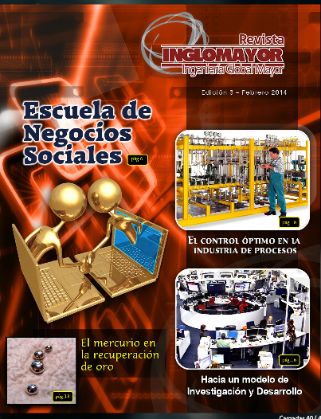
ARTICLES | AUTHORS | PAGES

Educación universitaria basada en competencias | Eduardo Ávila Arancibia | 4 of 5

Escuela de Negocios Sociales | Roberto Acevedo | 6 of 7

Minería y desafíos | Leandro Herrera Zeppellin | 8 of 9

Índice de impacto: Revistas ISI | Roberto Acevedo | 10 of 13

Social Business: La odisea del Tercer Milenio | Bernardo Javalquino Lagos | 14 of 15

Hacia un modelo de Investigación y Desarrollo | Roberto Acevedo | 16 of 17

El control óptimo en la industria de procesos | Gustavo E. Ceballos | 18 of 21

Escuela de Negocios Sociales en Latinoamérica | Bernardo Javalquino Lagos | 22 of 23

Piedras preciosas | Andrés Soto Bubert | 24 of 27

Construyendo algorítmos de aprendizajes inteligentes | Oscar Inostroza Aliaga | 28 of 29

Relaciones Publicas internas | Guillermo José Pedrotti | 30 of 31

El mercurio en la recuperación de oro | Mauricio Bustamante Escobedo | 32 of 33

Inversión y desarrollo social | Eduardo Ávila Arancibia | 34 of 35

El impacto socio económico de las peregrinaciones | Andrés Aguilera | 36 of 37

Journal 4
Journal 4, March 2014

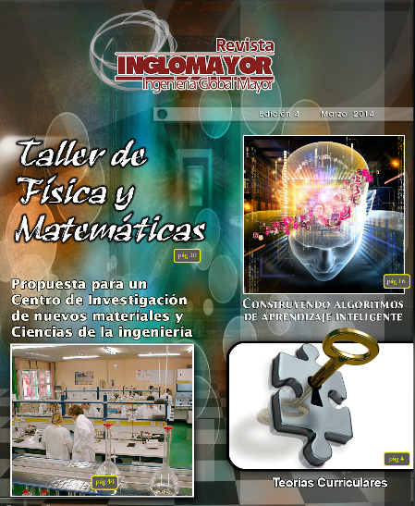
ARTICLES | AUTHORS | PAGES

Teorías Curriculares | Eduardo Ávila Arancibia | 4 of 7

Grafeno y sus Aplicaciones en Ingeniería | Andrés Soto Bubert | 8 of 9

Producción Primaria de Cobre. Parte 1. Yacimientos de Cobre | Mauricio Bustamante Escobedo | 10 of 11

Hacia una estrategia de cambios en la educación | Roberto Acevedo, PhD | 12 of 15

Construyendo algoritmos de aprendizaje inteligentes | Oscar Inostroza Aliaga | 16 of 19

Calidad seis sigma. Una introducción | Alejandro Yaeggy M. | 20 of 23

Investigación | Roberto Acevedo | 24 of 25

La industria frutícola y sus desafíos técnicos | Gabriel Bustamante | 26 of 27

Maravillas y Realidades | Roberto Acevedo | 28 of 29

Taller de Física y Matemáticas. Elementos de motivación. Una visión desde la Academia | Roberto Acevedo | 30 of 43

Propuesta para un Centro de Investigación de nuevos materiales y ciencias de la ingeniería | Roberto Acevedo | 44 of 69

Journal 5
Journal 5, May 2014

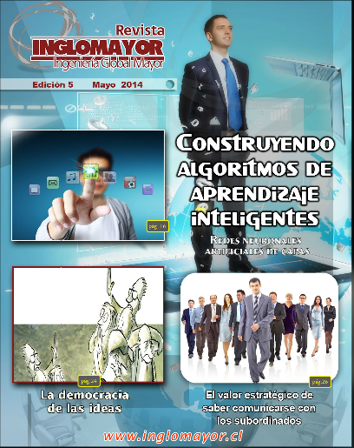
ARTICLES | AUTHORS | PAGES

Estudio de humedad e impregnación en medios granulares | Andrés Soto Bubert | 4 of 5

La didáctica en la educación superior | Eduardo Ávila Arancibia | 6 of 9

El control óptimo en la industria de procesos (Parte II) | Gustavo E. Ceballos | 10 of 13

Producción Primaria de Cobre. Parte 2: Extracción de minerales | Mauricio Bustamante Escobedo | 14 of 15

Construyendo algoritmos de aprendizaje inteligentes (Parte 3) Redes Neuronales Artificiales de Capas | Oscar Inostroza Aliaga | 16 of 23

La democracia de las ideas | Roberto Acevedo | 24 of 25

El valor estratégico de saber comunicarse con los subordinados | Guillero José Pedrotti | 26 of 27

Journal 7
Journal 7, December 2014

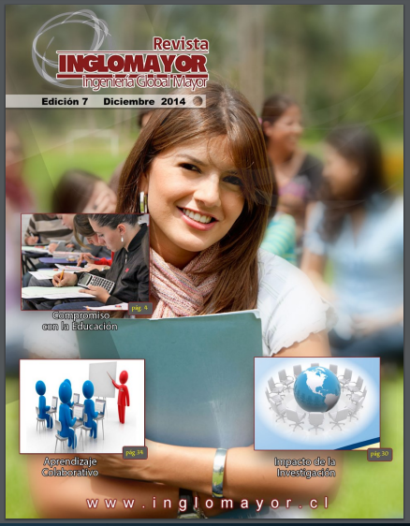
ARTICLES | AUTHORS | PAGES

Compromisos con la educación | Roberto Acevedo LLanos | 4 of 23
 | Miguel Jordan Zimmermann
Algunas consideraciones en torno al fortalecimiento de actividades adadémicas en una institución de Educación Superior | Miguel Jordan Zimmermann | 24 of 29

Impacto de la Investigación. Medición Cualitativa y Cuantitativa | Roberto Acevedo LLanos | 30 of 33

Aprendizaje Colaborativo | Eduardo Ávila Arancibia | 34 of 35

Totipotencia Celular | Miguel Jordan Zimmermann | 36 of 41

Fitorremediación e importancia de una especie vegetal (Phragmites australis) | Miguel Jordan Zimmermann | 42 of 45

Intruducción a los modelos de redes artificiales. Parte 5 | Oscar Inostroza Aliaga | 46 of 49

Control óptimo aplicado a problemas de regulación lineal. Parte I | Gustavo E. Ceballos | 50 of 51

Journal 10
JOURNAL 10, Professor Lala Behira Sukla

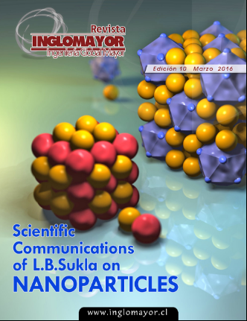
Scientific Comunications of L.B.Sukla on NANOPARTICLES
PUBLICATIONS AND ABSTRACT | AUTHORS | LINK

Biological sequestration and retention of cadmium as CdS nanoparticles by the microalga Scenedesmus-24. | Jayashree Jena, Nilotpala Pradhan , V. Aishvarya, Rati Ranjan Nayak, Bisnu Prasad Dash,Lala Behari Sukla, Prasanna Kumar Panda, Barada Kanta Mishra

Microalga Scenedesmus sp.: A Potential Low-Cost Green Machine for Silver Nanoparticle Synthesis | Jayashree Jena ,Nilotpala Pradhan, Rati Ranjan Nayak, Bishnu Prasad Das· Lala Behari Sukla,Prasanna Kumar Panda,Barada Kanta Mishra

Controlled Synthesis of Gold Nanoparticles Using Aspergillus terreus IF0 and Its Antibacterial Potential against Gram Negative Pathogenic Bacteria | Eepsita Priyadarshini, Nilotpala Pradhan, Lala Behari Sukla.Prasanna K. Panda ,B. K. Mishra

Biogenic synthesis of floral-shaped gold nanoparticles using a novel strain, Talaromyces flavus | Eepsita Priyadarshini · Nilotpala Pradhan · Lala Behari Sukla ·Prasanna kumar Panda · Barada Kanta Mishra

Biosynthesis And Characterization Of Silver Nanoparticles Using Microalga Chlorococcum Humicola And Its Antibacterial Activity. | Jayashree Jenaa · Nilotpala Pradhana · Bisnu Prasad Dashb · Lala Behari Sukla · Prasanna kumar Panda.

In Situ Synthesis of Entrapped Silver Nanoparticles by a Fungus— Penicillium purpurogenum. | Pradhan Nilotpala; Nayak, Rati Ranjan; Pradhan, Arun Kumar; Sukla, Lala Behari; Mishra, Barada Kanta

Green synthesis of silver nanoparticle by Penicillium purpurogenum NPMF: The process and optimization. | Rati Ranjan Nayak · Nilotpala Pradhan · Debadhyan Behera ·Kshyama Madhusikta Pradhan · Srabani Mishra · Lala Behari Sukla · Barada Kanta Mishra,

Calcium Phosphate Nanoparticles Mediated Gene Therapy for Breast Cancer | R Mund, N Panda. Amit Biswas,Lala Behari Sukla

Potential of microorganisms for Metal nanoparticle bio-synthesis. | Lala Behari Sukla, Nilotpala Pradhan, Eepsita Priyadarshini, Jayashree Jena

Biological route for production of extracellular Gold Nanoparticles using Aspergillus species. | Eepsita Priyadarshini,Nilotpala Pradhan, Lala Behari Sukla, Panda Prasanna
...

Journal 11
Journal 11

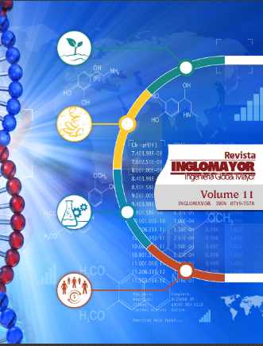
Medgar Evers College, School of Business. The city University of New York
ARTICLES | AUTHORS | LINK

Preliminary Remarks | Roberto Acevedo

Exploring Corporate Social Responsibility with global community | J. D. Rolle ; Bernardo Javalquinto, Iris Billy, Roberto Acevedo , Emmanuel Egbe, KhasadYahu ZarBabal, Wallace Ford, Eric Harter,Erastus Mon’gare, Roger Kaufman, Jacqui Kisato, and Shirley Grant Williams

A set of selected Photographs | J. D. Rolle et all

Medgar Evers College, CUNY | J. D. Rolle et all

Profressor Robert a Shaw

ARTICLES | AUTHORS | LINK

Tribute to Professor Robert A Shaw | Roberto Acevedo

Curriculum vitae of professor Robert A. Shaw | Robert A Shaw

Professor Robert A Shaw`s on-going publication list | Robert A Shaw

REFLECTIONS ON LEADERSHIP, TEAMWORK AND MENTORING | Robert A Shaw

Interview With Professor Robert A Shaw | Robert A Shaw Conference
...

Journal 12
Journal 12

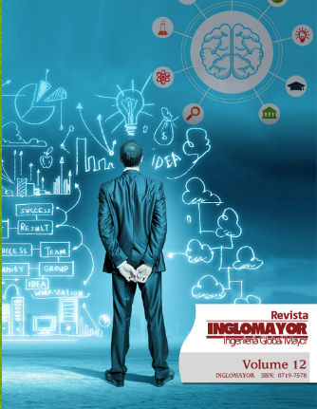
Terence H. Biggs II
ARTICLES | AUTHORS | LINK

The Individual Responsibility of Corporate Social Responsibility | Terence H. Biggs II

A Process Mindset | Terence H. Biggs II

Professor Roger Kaufman

ARTICLES | AUTHORS | LINK

ASTD. The world's largest professional association dedicated to the training and development field | Roger Kaufman

Roger Kaufman. A Significant Contributor to the Field of Educational Technology | Suhwa Lee Thomas C. Reeves

Professor Robert A Shaw`s on-going publication list | Robert A Shaw

Roger Kaufman. A brief summary of his research work and activities, both academic and professionals | Roger Kaufman

Roger Kaufman: Eternal mentor, loyal friend and a relentless pursuer of societal value added | Ingrid Guerra‐López
...

Journal 18
Journal 18, May 2020

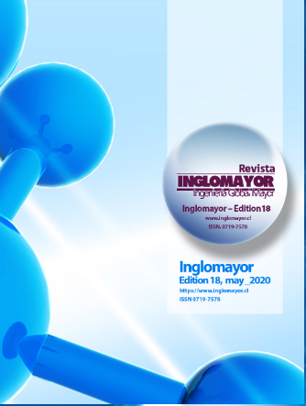
Articles-Section A

ARTICLES | AUTHORS | LINK

Enantiopure Drugs - Inspiration from Nature’s Innate Chirality or a Futile Mimicry | Aeysha Sultan
 | Hira Sultan
 | Roberto Acevedo
Aquaculture Applications of Chilean Natural Zeolites | C. de las Pozas-del Rio
 | Gustavo Navarro-Ahumada
 | R. Roque-Malherbe
 | T.Meruane
Estructuras disipativas, método científico y entropía | José Salvador Ruiz Fargueta

Diseño óptimo de circuitos de flotación | Mauricio Bustamante Escobedo

Optimization Techniques | Rashmi Bhardwaj
 | Debabrata Datta
Datos experimentales del universo y el modelo K – D | P. Kittl
 | G. Diaz
Propiedades Viscoelásticas de Materiales Poliméricos | Humberto Palza Cordero

METODOS VIBRONICOS GENERALIZADOS Aplicaciones a sistemas del tipo elpasolitas estequiométricas Cs2NaLnCl6 | Roberto Acevedo
 | Andrés Soto-Bubert
 | G.Rund-Candia
 | T. Meruane
...

